Features
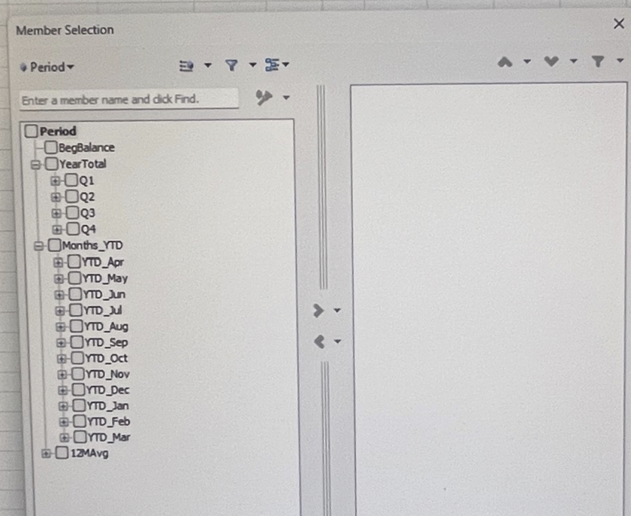
# | Description | Priority | Build Status
1 | Enable double-click to behave like drill down to next level on all dimensions and members | 1
2 | For Keep Selected and Remove Selected options allow multiple selects on Row/Col (also allow selection of non-consecutive members). Only the selected members should be kept or removed. | 1
3 | Pick Member screen to provide an option to Place selection on row, column or "Place here" | 1
4 | In Pick member option allow multiple select and a search option. Add selected items to a selected pane. The selected members will show on the right. When Ok is pressed, then it is presented on the sheete current axis (row/col). See Pic 1 below for example layout of selection window. Refresh data when "Refresh" is clicked. | 1
5 | Provide option below swap to row/col to "Move to Header" for any selected dimension/member to row, column | 1
6 | Use the Map worksheet tab to map any base dimension member to other members. Use the Map to apply during load dimension and/or load data, if a map exists for any dimension | 2
7 | Ability to define formulas in the Measure and Time dimensions.Use the formula from the formula column in the Dimension.xls E.g. "Profit Margin" = "Trading Profit"/"Sales"*100. Formula should be applied on aggregated values across time | 1
8 | Use the Time Balance Type to determine how Qtr, YTD and YearTotal values are shown for Measures. TimeBal could be "Flow", "Last" or "Avg". Flow shows total for YearTotal, "Last" shows Last value in the time rollup (e.g. Dec). Avg shows Average of non-zero values. | 1
9 | In the Manage Structure, Load Dimension option, provide "All Dimensions" button to allow one click button to update all dimensions | 1
10 | In Load dimension option, provide a "Close" button to exit window. After each dimension update, do not close window until close button is pressed | 1
11 | Save/Remember the model context for each sheet refreshed. Warn if the current sheet has data in the grid and the sheet selected source model does not match selected model - "Current sheet connection source model (modelName) does not match currently selected model. Default view will be used. do you want to continue?" | 1
12 | Ability to type in member name instead of using the Pick Member for any member and refresh sheet, If a member is invalid show message "Member not recognized" | 1
13 | Enable Preserve Formulas and Text outside Grid area in settings. Excel formulas to be preserved for : refresh, drill down, drill up, keep selected, remove selected, undo last. Show a warning message for the Swap row/column option saying "formulas and text in this worksheet will be lost. Do you want to coninue" | 1
14 | In the Load Data option, provide an option to Load from ERP Source, show a popup to select table from ERP/ODBC source. Show fieds to display connection parameters: Server, userid, password, table to query by dimension | 2
15 | Show a Drill-thru option below Drill-up option. Ability to drill through from any context to predefined connection setting. Enable drill-thru connection setting in Settings: Connection url, id, password, table/view. If a user selects a drill thru option, show the default settings for the query and fetch results on a new sheet | 2
16 | Allow base members to be under multiple hierarchies Measure and Time dimensions . For e.g. Jan, Feb, Mar will be under Q1 and also under YTDMar. Jan, Feb, Mar will be called shared members under YTDMar. Show shared members with an indicator | 1
17 | Encrypt/password protect MyOlap SQLLITE DB | 1
18 | Create a distributable .exe (MyOlap_Setup.exe) with MyOap_ReadMe.pdf with version update and what is new info | 1

 | Pic 1 - Pick Member multiple select popup example

